1. Title Page
Instacart Grocery Basket Analysis

Project Name: Instacart Grocery Basket Analysis
Date: 16-May-2023
Analyst Name: Matt Fielder

Contents:
Population Flow
Consistency checks
Wrangling steps
Column derivations
Visualizations
Recommendations

Data source: “The Instacart Online Grocery Shopping Dataset 2017”, Accessed from https://www.instacart.com/datasets/grocery-shopping-2017 on 10-Mar-2023.
Note: 'prices' in products data and all customer data has been fabricated for this analysis. This data has been added here for learning purposes.

2. Population Flow
Title page

Population flow

Orders_products_combined
Orders_products_merged
Orders_products_all

Total: 32,404,859
Total: 32,434,489
Total: 32,404,859

1.) The grey boxes in the first row of the population flow represent the original data sets as they were when you downloaded them. In the Total fields you need to add the count of the rows when you imported the data set into Jupyter.
2.) The second row of boxes (coloured) represents the data sets after you manipulated them, e.g., removed missing values and duplicates. In the Total fields you need to add the count of the rows after conducting these operations. This offers a visual oveview of how the data flows throughout the data consistency checks.
3.) The third row, where also the arrows are coloured, represents the merges you performed between the datasets. In the Total fields you need to add the count of the rows in the merged datasets, so that you end up with the final dataset (in the red box). Keep in mind the final dataset should be without exclusions (based on the exclusion flag).

3. Consistency checks
 |  |  |  | Title page
Consistency checks

Dataset | Missing values | Missing values treatment | Duplicates
orders | 206,209 records with 'days_since_prior_order' == NaN | All NaN changed to 0 (zero). These records are associated with users that only have one order. | None
products | 16 records missing 'product_name' | 16 lines removed | 5 duplicate rows removed
orders_products_prior | None | n/a | None
customers | 11,259 records with 'first_name' == NaN | 11,259 records have 'first_name' changed to 'NotProvided' | None

4. Wrangling steps
 |  |  |  | Title page
Wrangling steps

Columns dropped | Columns renamed | Columns' type changed | Comment/Reason
first_name |  |  | PII data removed for customer privacy
last_name |  |  | PII data removed for customer privacy
 |  | order_number | Format changed from int64 to string
 | first_name |  | Renamed from 'First Name'
 | last_name |  | Renamed from 'Surnam'
 | gender |  | Renamed from 'Gender'
 | state |  | Renamed from 'STATE'
 | age |  | Renamed from 'Age'
 | num_of_dependents |  | Renamed from 'n_dependents'
 | marital_status |  | Renamed from 'fam_status'

5. Column derivations
 |  |  |  | Title page

Column derivations and aggregations

In this tab you should add tables below that the frequences of flags/label variables that you produced after deriving them. NB: don't do this for continuous variables, only for flags.
Dataset | New column | Column/s it was derived from | Conditions
orders_products_w_busy_days_times.pkl | price_range_loc | prices | price > 15: 'High-range product' price <= 15 & price > 5: 'Mid-range product' price <= 5: 'Low-range product'
orders_products_w_busy_days_times.pkl | busiest_day | order_day_of_week | order_day_of_week = 0: 'Busiest day' order_day_of_week = 4: 'Least busy' else:: 'Regularly busy'
orders_products_w_busy_days_times.pkl | busiest_days_2 | order_day_of_week | order_day_of_week = 0 or 1: 'Busiest days' order_day_of_week = 3 or 4: 'Least busy days' else:: 'Regularly busy days'
orders_products_w_busy_days_times.pkl | busiest_hours | busiest_hours | order_hour_of_day in [10, 11, 14, 15]: 'Busiest hours' order_hour_of_day in [5, 2, 4, 3]: 'Least busy hours' else: 'Regularly busy hours'
orders_products_w_customer_flags.pkl | max_order | order_number | Total number of orders by a customer is written to every order from that customer
orders_products_w_customer_flags.pkl | loyalty_flag | max_order | max_order > 40: 'Loyal customer' max_order <= 40 & > 10: 'Regular customer' max_order <= 10: 'New customer'
orders_products_w_customer_flags.pkl | avg_spend | prices | Mean price of orders by a customer is written to every order from that customer
orders_products_w_customer_flags.pkl | spending_flag | avg_spend | avg_spend >= 10: 'High spender' avg_spend < 10: 'Low spender'
orders_products_w_customer_flags.pkl | frequency_median | days_since_prior_order | Median number of days since last order is written to every order from that customer
orders_products_w_customer_flags.pkl | frequency_flag | frequency_median | frequency_median > 20: 'Non-frequent customer' frequency_median <= 20 & > 10: 'Regular customer' frequency_median <= 10: 'Frequent customer'
df_ords_prods_high_act_cust_final.pkl | region_of_state | state | Create a region for each state per state region listing here: https://simple.wikipedia.org/wiki/List_of_regions_of_the_United_States 'Region1 (Northeast)' Region2 (Midwest) Region3 (South) Region4 (West)
df_ords_prods_high_act_cust_final.pkl | cust_activity | max_order | max_order >= 5: 'High-activity customer' max_order < 5: 'Low-activity customer' else: 'No activity'
df_ords_prods_high_act_cust_final.pkl | age_category | age | age < 18: 'Child' age >= 18 & < 40: 'Younger adult' age >= 40 & < 65: 'Older adult' age >= 65: 'Retired adult'
df_ords_prods_high_act_cust_final.pkl | income_category | income | income < 75000: 'Lower income' income >= 75000 & < 200000: 'Low Medium income' income >= 200000 & < 400000: 'High Medium income' income >= 400000: 'High income'
df_ords_prods_high_act_cust_final.pkl | marital_dependents | marital_status num_of_dependents | marital_status == married & num_of_dependents == 0: 'Married no dependents' marital_status == married & num_of_dependents > 0: 'Married with dependents' marital_status == single & num_of_dependents == 0: 'Single no dependents' marital_status == single & num_of_dependents > 0: 'Single with dependents' marital_status == divorced/widowed & num_of_dependents == 0: 'Divorced/Widow no dependents' marital_status == divorced/widowed & num_of_dependents > 0: 'Divorced/Widow with dependents' marital_status == living with parents and siblings & num_of_dependents == 0: 'Friends/Siblings no dependents' marital_status == living with parents and siblings & num_of_dependents > 0: 'Friends/Siblings with dependents'

6. Visualizations
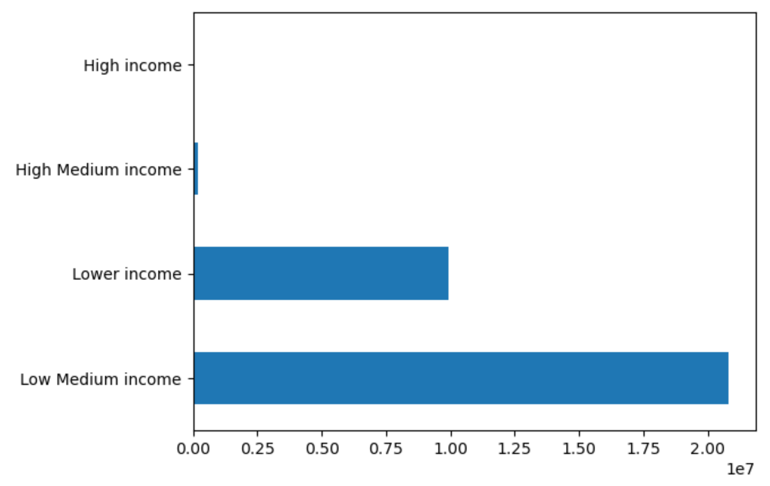
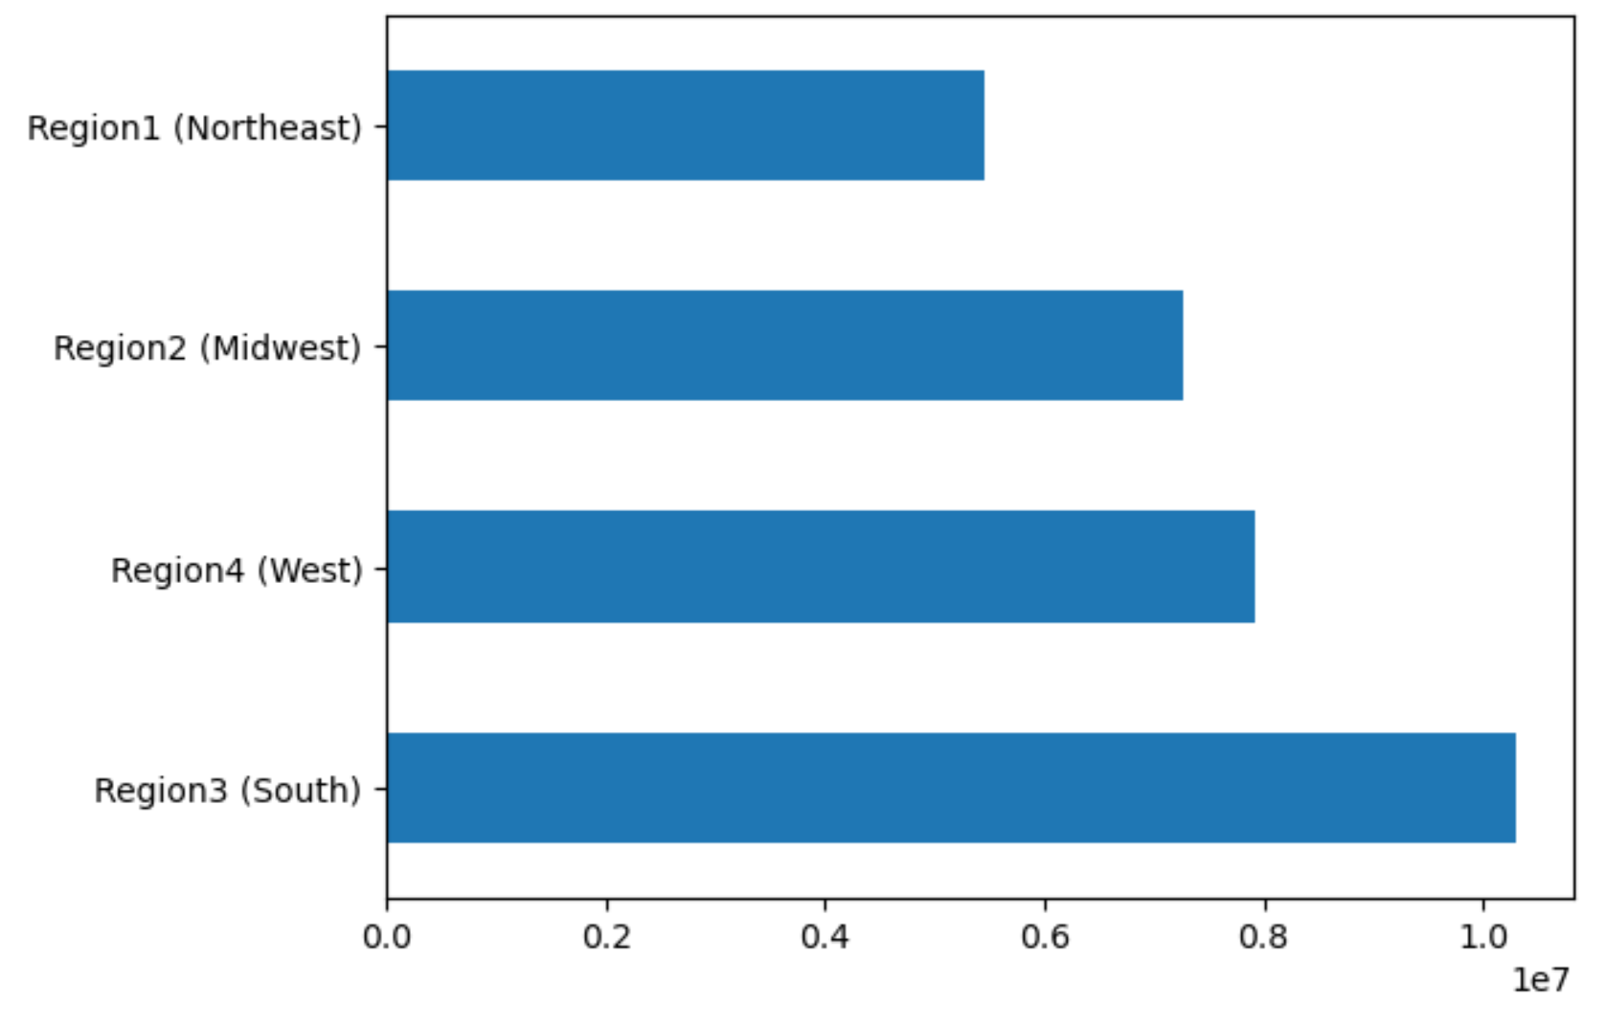
 |  |  | Title page

Visualisations

In this tab you should include all the visualtions from Exercises 4.9 and 4.10, alongside the questions from the project brief that they answer. Include any commentary on the relationship between different variables.

What are the busy days of the week for orders?

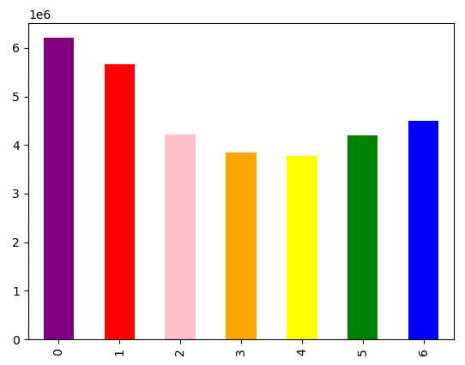
Days of the week (X-axis) VS order volume (Y-axis)
We see the busiest days for orders are Saturday and Sunday.
These are followed by Friday and Thursday.
There is a dip on orders in the middle of the week.
0 Saturday
1 Sunday
2 Monday
3 Tuesday
4 Wednesday
5 Thursday
6 Friday

What are the busy times during the day for orders?
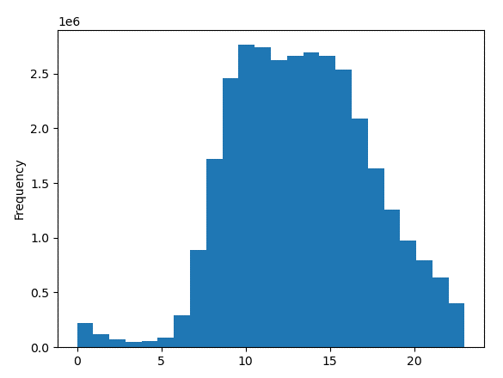

Hour of the day (X-axis) VS Order frequency (Y-axis)
Orders begin at 6am with a quick ramp up to our peak at 9am.
Our peak orders occur between 9am and 5pm.
Orders continue after 5pm slowly decreasing to midnight.

What times during the day show an increase in spending?

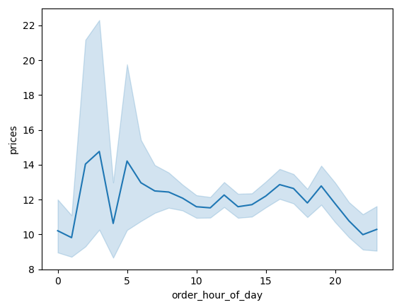
Order hour of day (X-axis) VS Average product price (Y-axis)
There is variability throughout the day, but there is no consistency as to when certain products are purchased.
It appears that there is little to indicate an opportunity for marketing or outreach to focus on a certain product in this regard.

Are certain product types more popular than others (frequency of orders)?

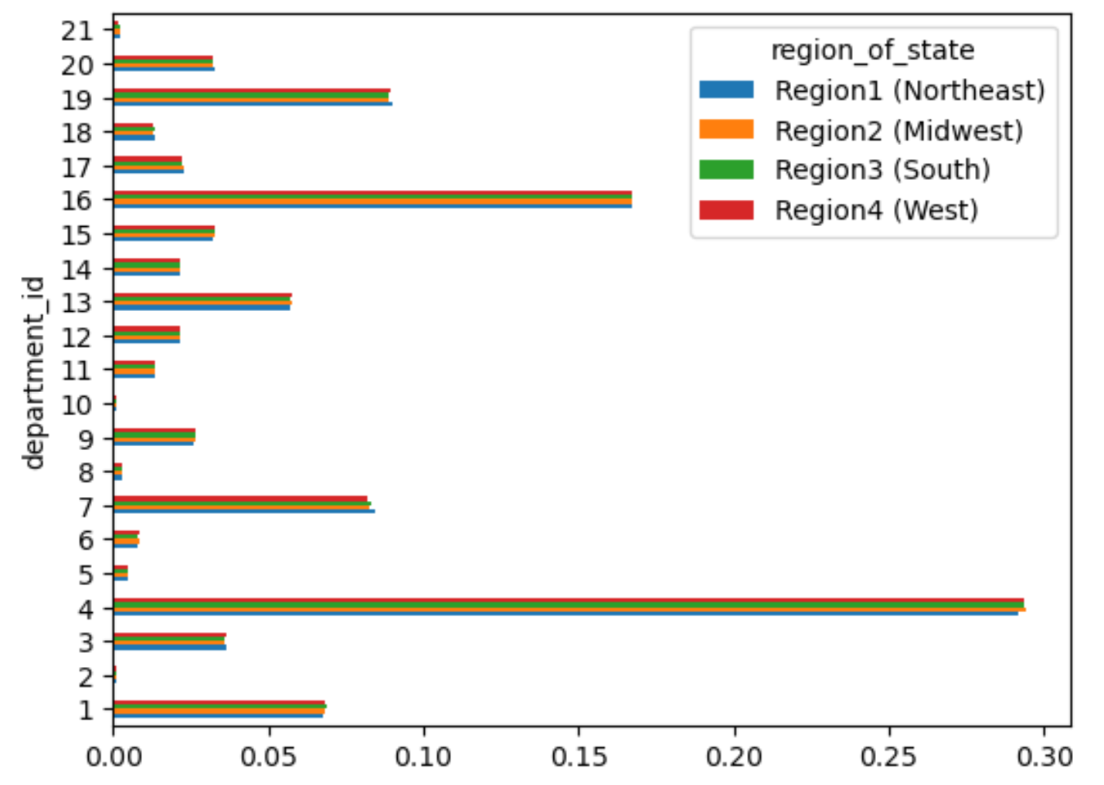
Order volume (X-axis) VS Department ID (Y-axis) Including Region
We can see a handful of products are purchased at a higher frequency than others.
Leading products include:
4 Produce
16 Dairy eggs
19 Snacks
7 Beverages
1 Frozen
Other products lag in sales and while there is variability across them, they are relatively consistent.
 | 1 frozen | 12 meat seafood
 | 2 other | 13 pantry
 | 3 bakery | 14 breakfast
 | 4 produce | 15 canned goods
 | 5 alcohol | 16 dairy eggs
 | 6 international | 17 household
 | 7 beverages | 18 babies
 | 8 pets | 19 snacks
 | 9 dry goods pasta | 20 deli
 | 10 bulk | 21 missing
 | 11 personal care

What is the distribution of users regarding brand loyalty (repeat customers)?

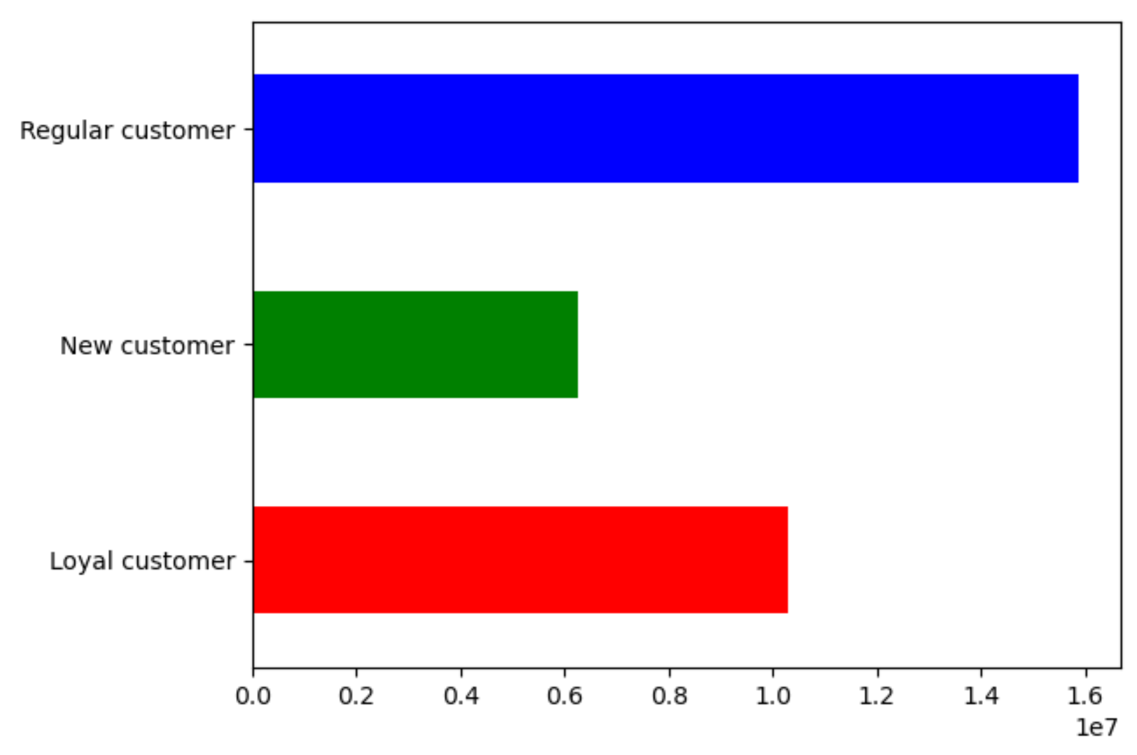
Order volume (X-axis) VS Customer loyalty (Y-axis)
All customer have been placed into a loyalty category:
max_order > 40: 'Loyal customer'
max_order <= 40 & > 10: 'Regular customer'
max_order <= 10: 'New customer'
Regular customers dominate the customer base
Loyal customers trail behind Regular
New Customers showing the least loyalty

What is the distribution of age vs income of customers?
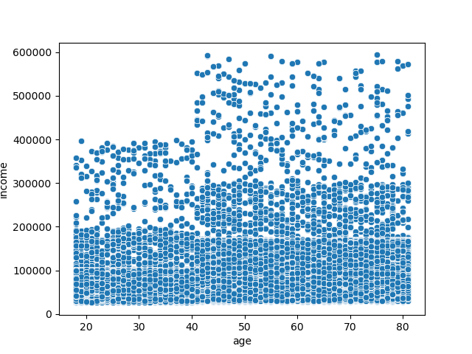

Age (X-axis) VS Income (Y-axis)
This is included to provide a better view into the distribution of income across ages of our customers. This is important to keep in mind when viewing the income visualizations in the following analyses.

Does customer loyalty indicate particular ordering habits?

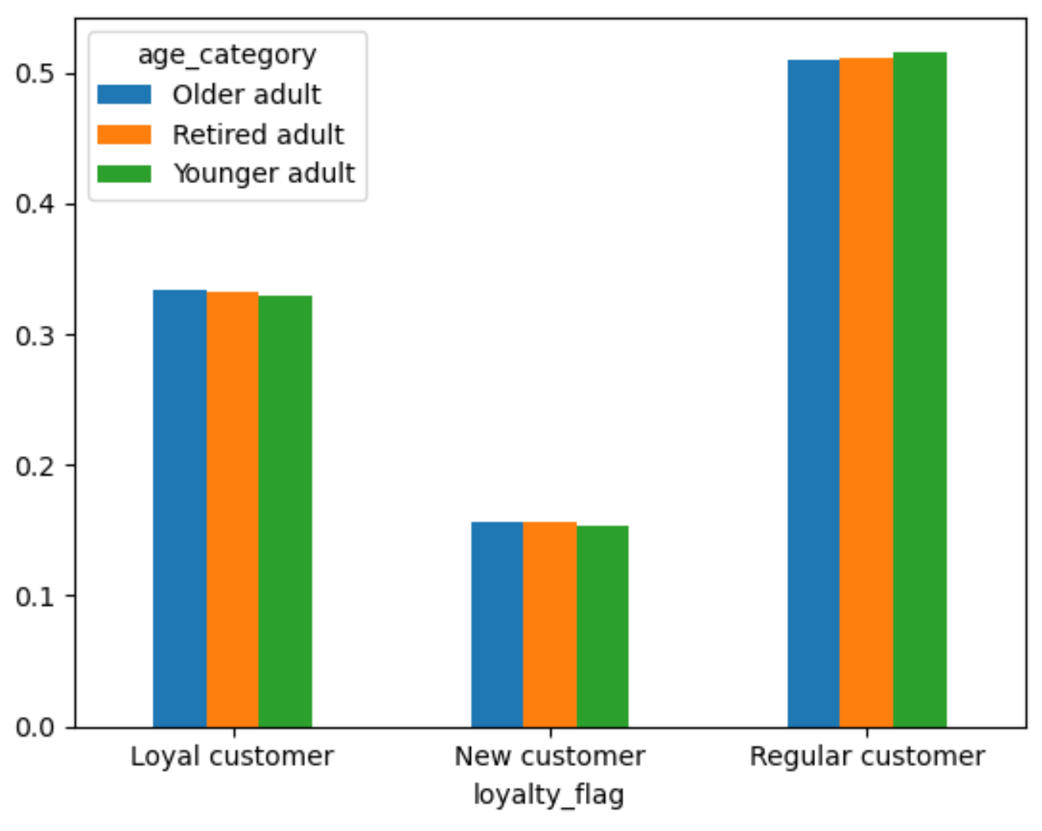
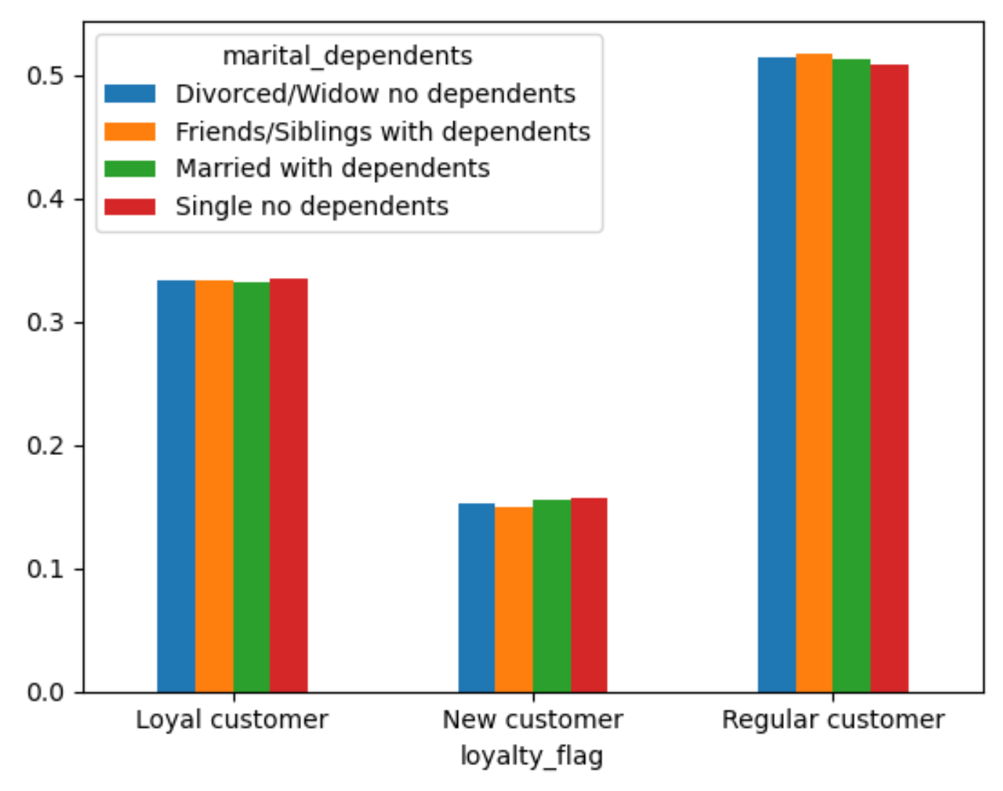
Customer loyalty (X-axis) compared to:
Age category (upper left)
Income category (lower left)
Marital status / Dependents (upper right)
Region (lower right)
Across loyalty groups, we can see the trends are very consistent across different comparisons. This indicates that loyalty is not influenced by these outside factors.
The most variability is seen in Income and may have a slight impact on loyalty, but it is not so striking to make income differences the primary focus.

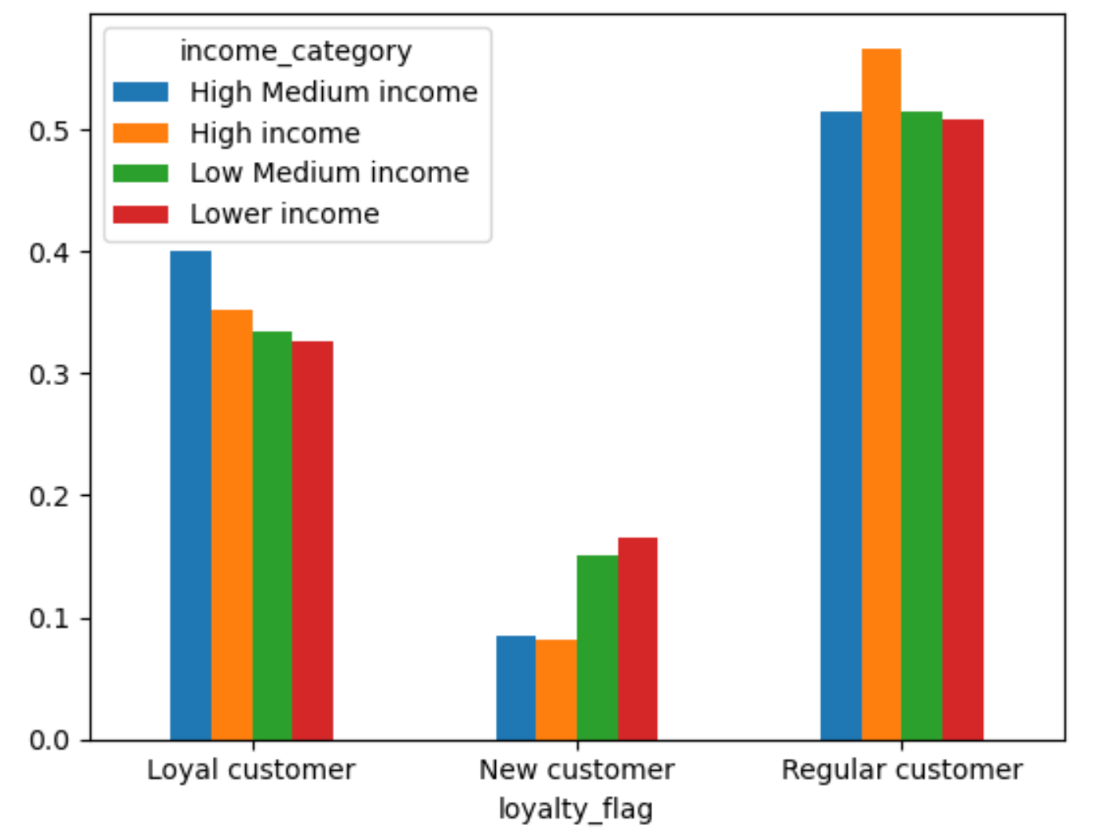
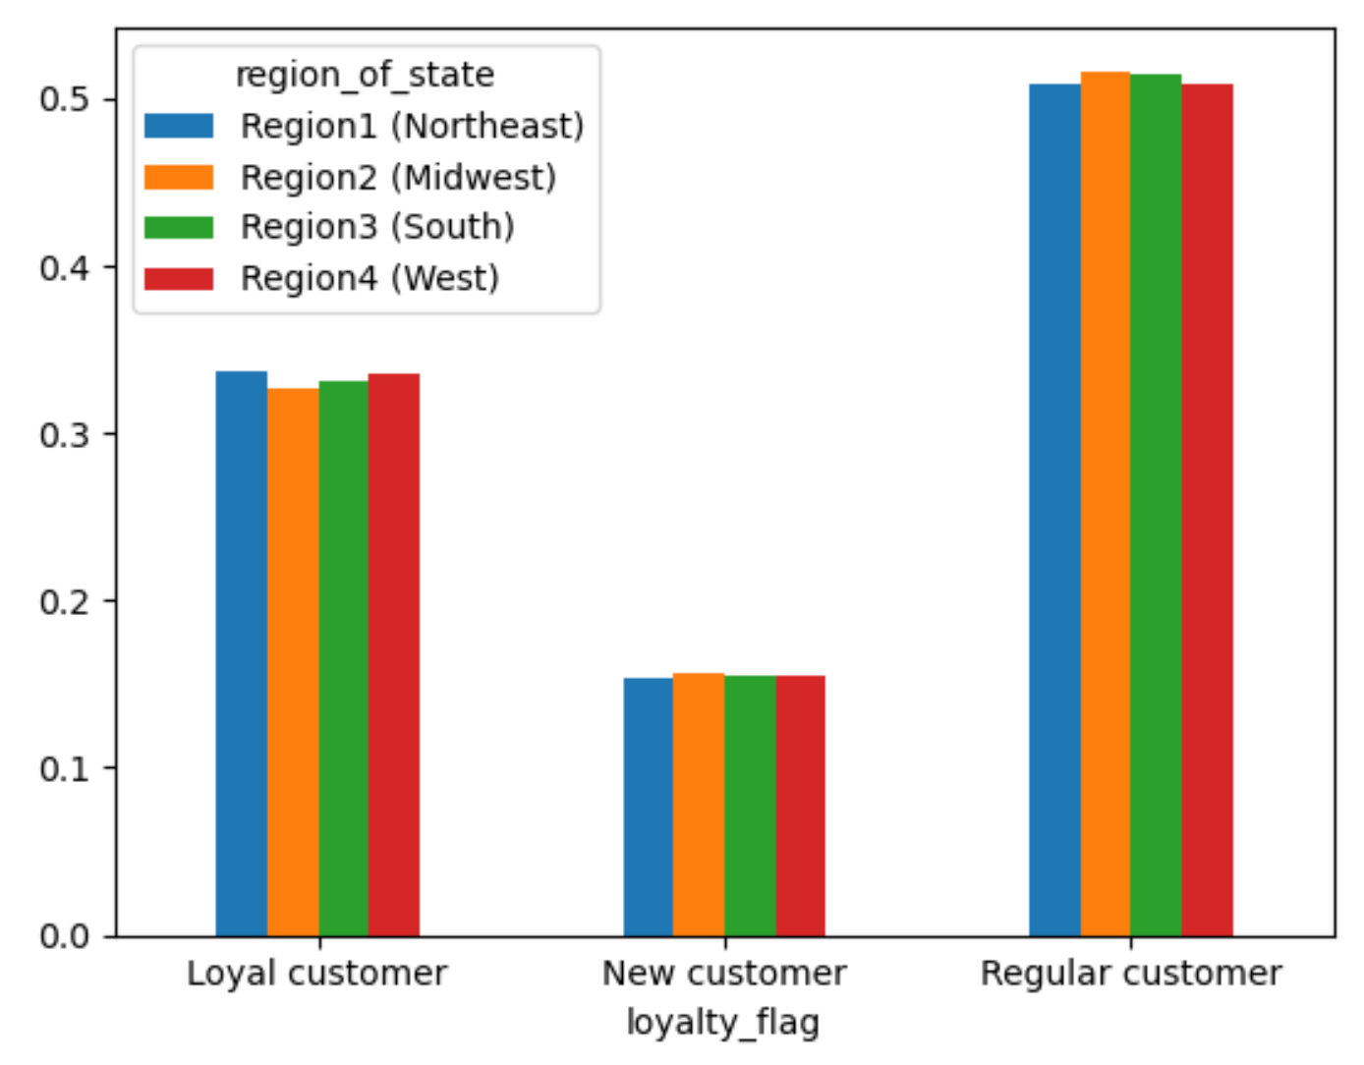

Does customer region indicate particular ordering habits?

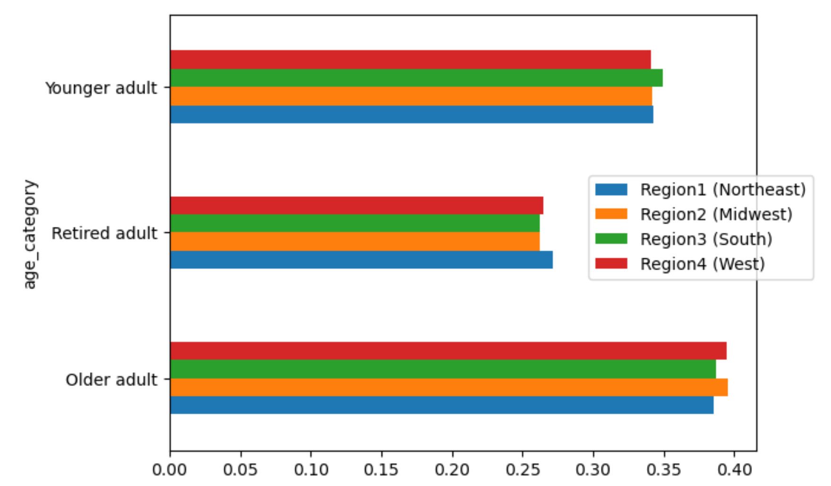
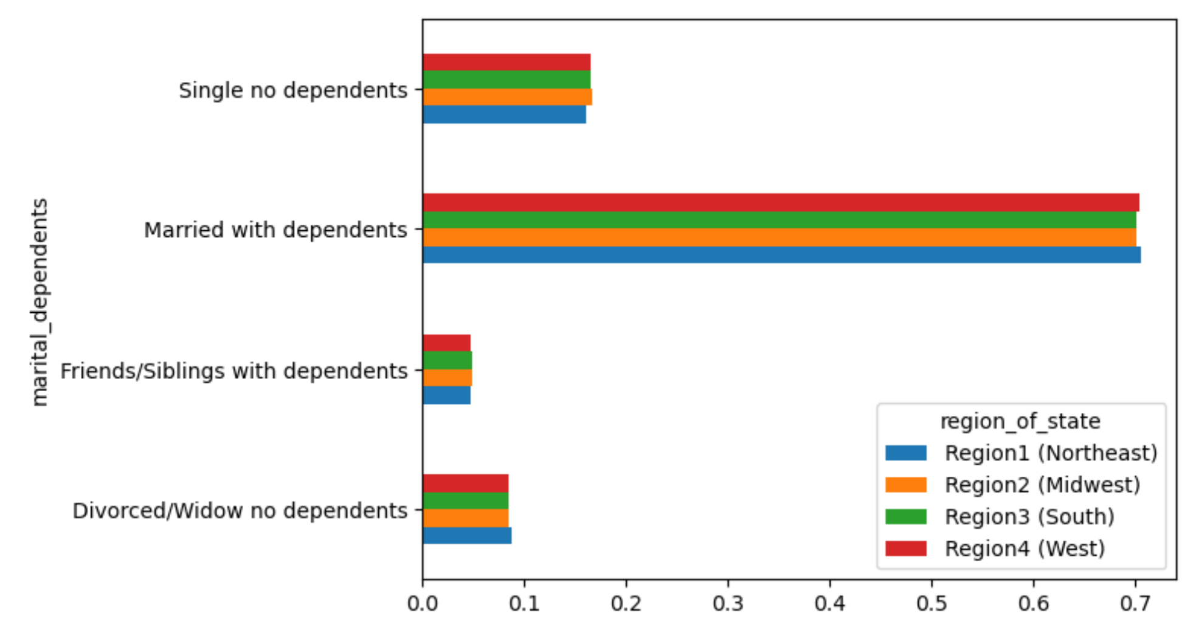
Order volume (X-axis) compared to:
Age category (upper left)
Income category (lower left)
Marital status / Dependents (upper right)
Department ID (lower right)
While there is variability across groups, within a group across regions, there is very little variability.
There is little indication that region has a significant influence on orders.

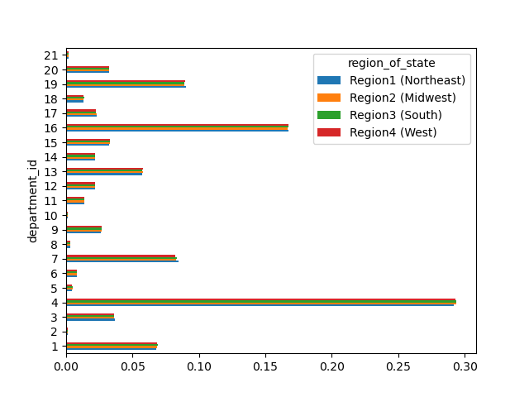

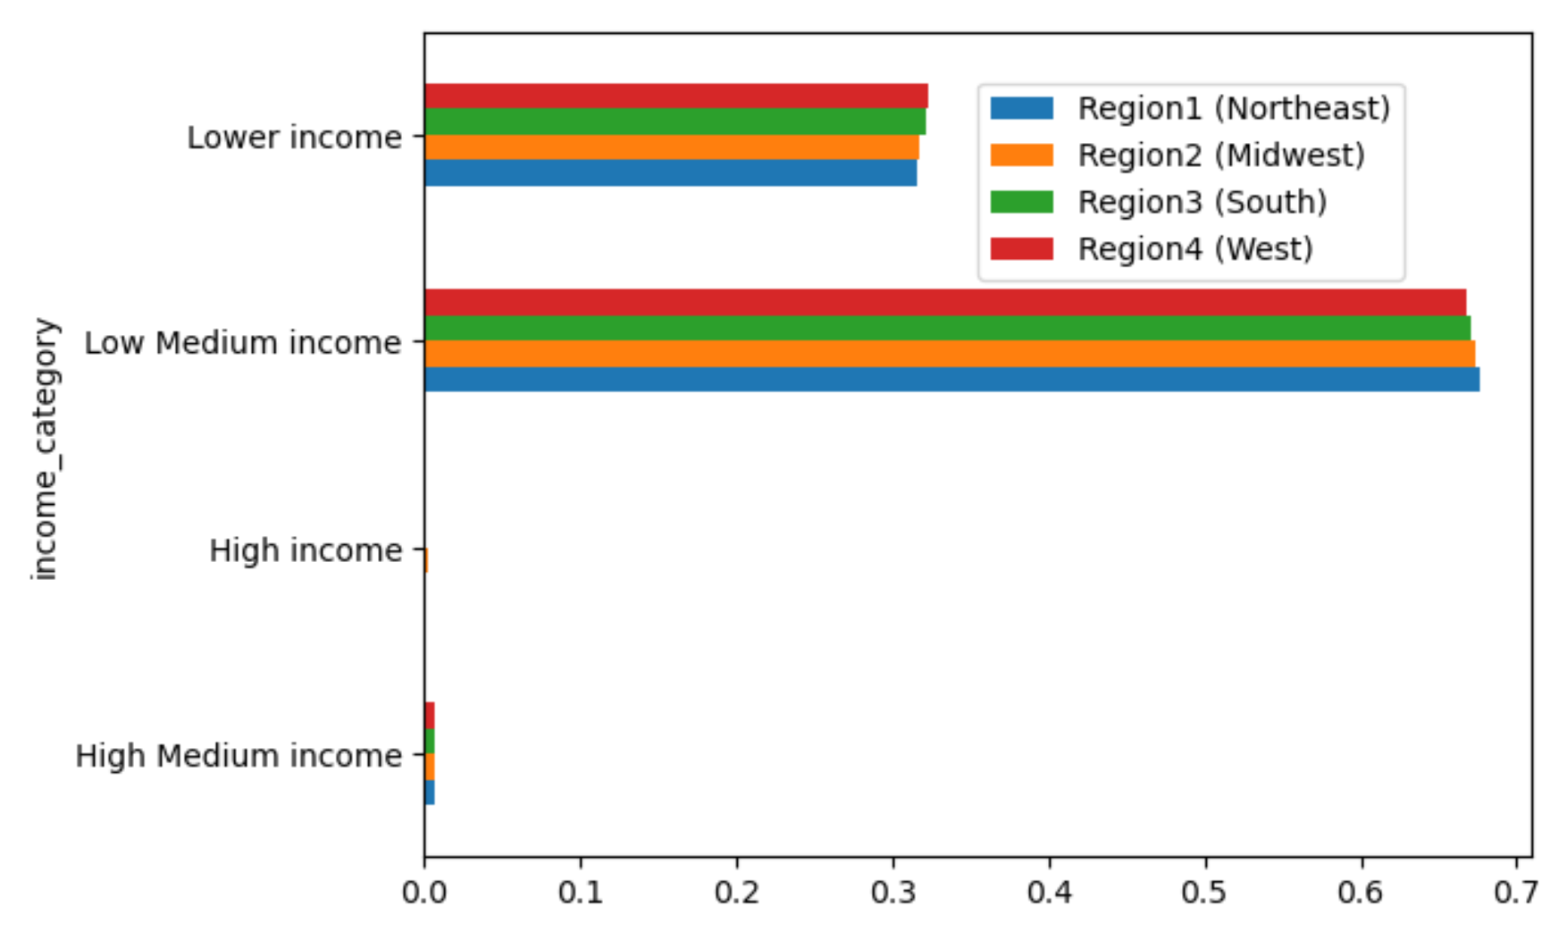

Does age and dependents indicate particular ordering habits?


Age (X-axis) VS Number of Dependents (Y-axis)
In this comparison, we can see that there is significant variability and no consistency to assess.
The trend is so chaotic that little conclusions could be drawn here. Extending this to orders would yield little insight.

Do customer demographics indicate particular ordering habits?
Do customer profiles indicate particular ordering habits?

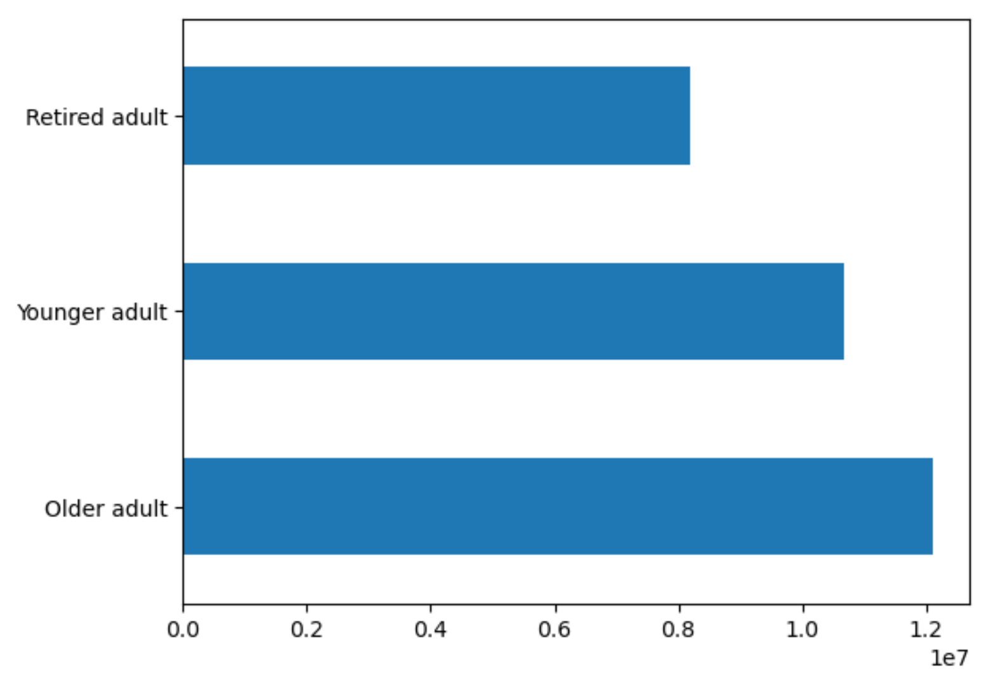
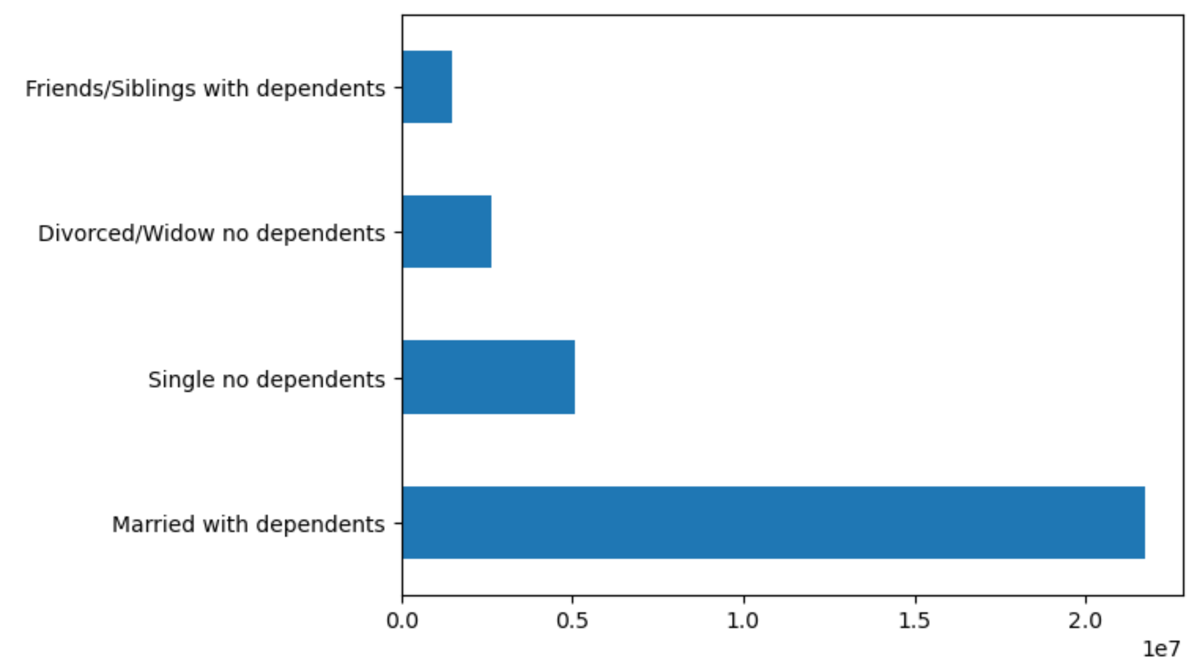
Customer demographics to understand impact to behavior:
Age category (upper left)
Income category (lower left)
Marital status / Dependents (upper right)
Region (lower right)
This provides us with a general view into our customers and the distribution into each of these categories.

7. Recommendations
 |  |  | Title page

Recommendations

In this tab you should include any recommendations you would made to Instcart in terms of their marketing strategy based on the questions posed in the brief. Every key question has been covered in the Tasks of the Exercises - here you need to add an item - a visualisation or table/crosstable that is showing the answer in the data, acompanied by a comment from you. Please, list the questions below and add the answer underneath.

What are the busy days of the week for orders?

Days of the week (X-axis) VS order volume (Y-axis)
We see the busiest days for orders are Saturday and Sunday.
These are followed by Friday and Thursday.
There is a dip on orders in the middle of the week.
0 Saturday
1 Sunday
2 Monday
3 Tuesday
4 Wednesday
5 Thursday
6 Friday
RECOMMENDATIONS:
Improve orders during the week through targeted specials or sales only on those lagging days. An approach similar restaurant promotions on weekdays would be valuable.
Implementation of a frequent shopper program can be tailored to provide bonus points or additional savings on these lagging days.

What are the busy times during the day for orders?

Hour of the day (X-axis) VS Order frequency (Y-axis)
Orders begin at 6am with a quick ramp up to our peak at 9am.
Our peak orders occur between 9am and 5pm.
Orders continue after 5pm slowly decreasing to midnight.
RECOMMENDATIONS:
Increase orders after the 5pm slowdown by offering incentives similar to the effort to increase sales by day.
Incentivize placing orders after 5pm to level the demand of orders. Similar to order days, a frequent shopper program could offer bonus points or additional savings for orders placed 'off hours'.

What times during the day show an increase in spending?

Order hour of day (X-axis) VS Average product price (Y-axis)
There is variability throughout the day, but there is no consistency as to when certain products are purchased.
It appears that there is little to indicate an opportunity for marketing or outreach to focus on a certain product in this regard.
RECOMMENDATIONS:
For any specific products or departments that lag in sales during a specific time, additional discounts could be provided only during those times to encourage orders of those items.

Are certain product types more popular than others (frequency of orders)?

Order volume (X-axis) VS Department ID (Y-axis) Including Region
We can see a handful of products are purchased at a higher frequency than others.
Leading products include:
4 Produce
16 Dairy eggs
19 Snacks
7 Beverages
1 Frozen
Other products lag in sales and while there is variability across them, they are relatively consistent.
RECOMMENDATIONS:
Targeted marketing is needed to promote and bring awareness to lagging product departments. Customers may not be aware of certain product lines, of their quality, and selection. Ads highlighting these is needed.
Locations of these items online may need to be adjusted. Perform A/B testing with a selection of users to understand how a modified presentation online may improve visibility and purchase of these products.
Consider eliminating product lines that may be considered bloat and detractors to the overall purchase experience. Focus can then be given to the remaining product lines to bolster their sales even more.
Currently, the website includes categories of products 'Top departments' and 'More departments'. This prompts the customer to consider the 'More' items as secondary or less important. Group products together to eliminate the implied segregation.
 | 1 frozen | 12 meat seafood
 | 2 other | 13 pantry
 | 3 bakery | 14 breakfast
 | 4 produce | 15 canned goods
 | 5 alcohol | 16 dairy eggs
 | 6 international | 17 household
 | 7 beverages | 18 babies
 | 8 pets | 19 snacks
 | 9 dry goods pasta | 20 deli
 | 10 bulk | 21 missing
 | 11 personal care
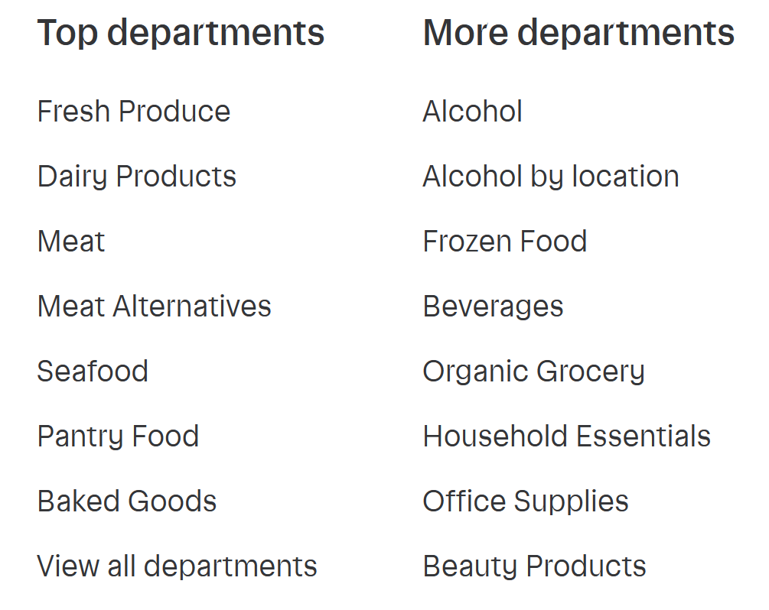

What is the distribution of age vs income of customers?

Age (X-axis) VS Income (Y-axis)
This is included to provide a better view into the distribution of income across ages of our customers. This is important to keep in mind when viewing the income visualizations in the following analyses.
RECOMMENDATIONS:
Target income groups with specific ads that cater to their disposable income.
Customers with additional disposable income should be targeted with luxury type of products and stores.
Customers with less free income should be targeted with ads and offers with a greater focus on necessities.

What is the distribution of users regarding brand loyalty (repeat customers)?

Order volume (X-axis) VS Customer loyalty (Y-axis)
All customer have been placed into a loyalty category:
max_order > 40: 'Loyal customer'
max_order <= 40 & > 10: 'Regular customer'
max_order <= 10: 'New customer'
Regular customers dominate the customer base
Loyal customers trail behind Regular
New Customers showing the least loyalty
RECOMMENDATIONS:
Increase personalization of the application to bring more utility to less loyal customers. By adjusting the usability of the application, customers will begin to look at Instacart as a their shopping friend.
Example: Customers are able to create lists of products. By viewing a shopping page, permit adding items at a specific store to a list in a more obvious way. The list and active shopping are not well integrated.
Additionally, assure the results of searches include the searched for product. Provide similar products secondary. Mixed lists imply that the search was flawed. (Example search for bananas included here)
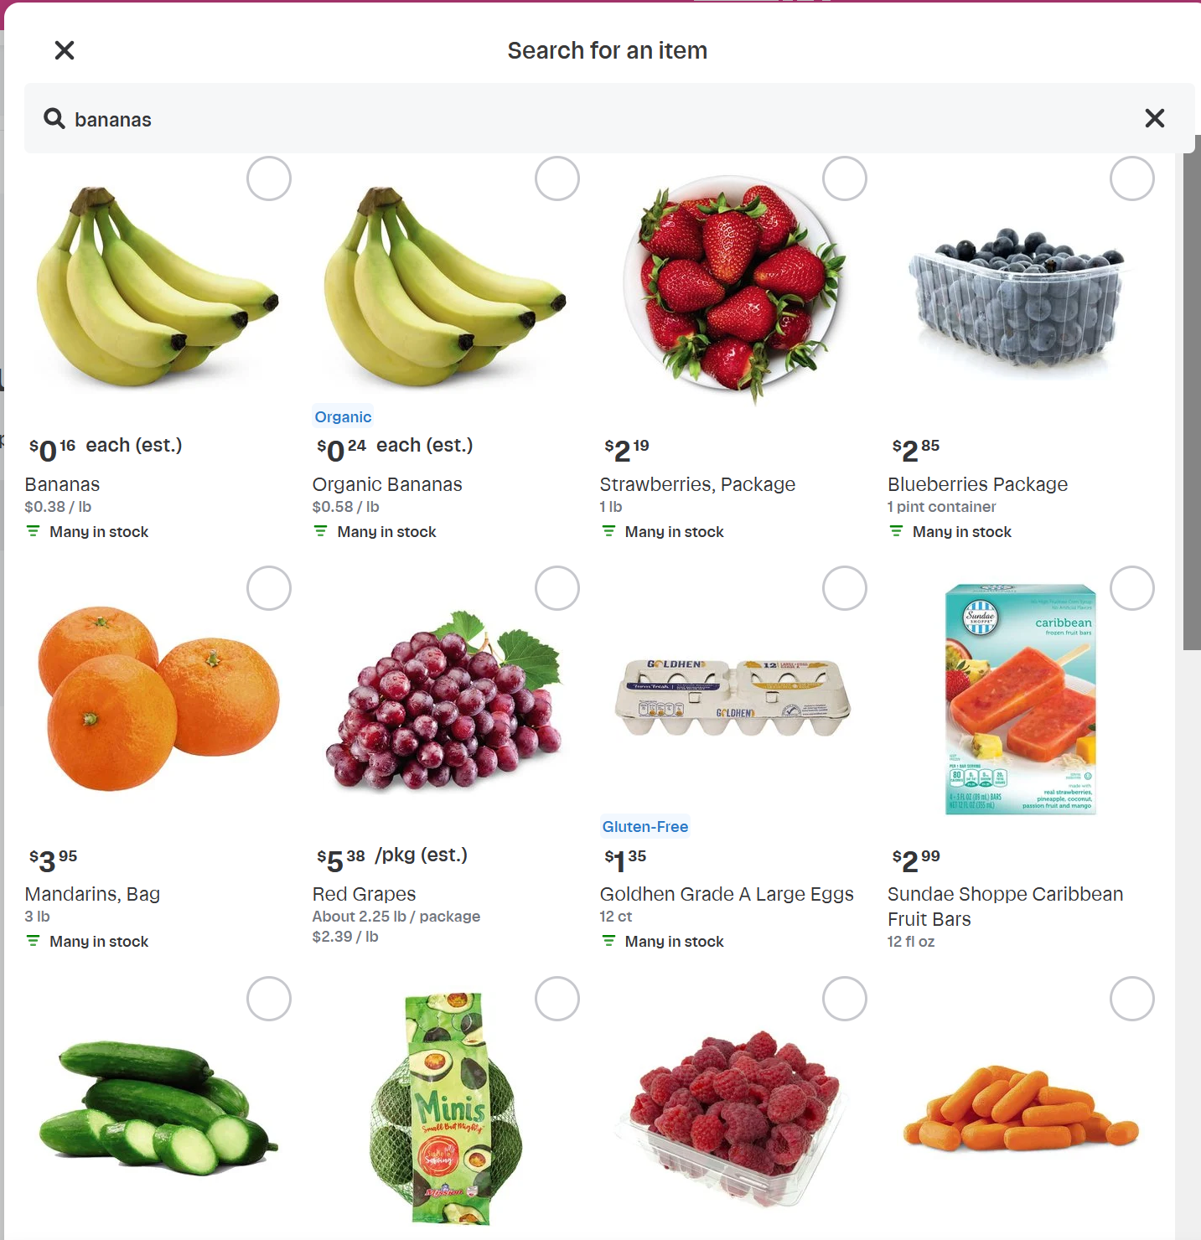

Does customer loyalty indicate particular ordering habits?

Customer loyalty (X-axis) compared to:
Age category (upper left)
Income category (lower left)
Marital status / Dependents (upper right)
Region (lower right)
Across loyalty groups, we can see the trends are very consistent across different comparisons. This indicates that loyalty is not influenced by these outside factors.
The most variability is seen in Income and may have a slight impact on loyalty, but it is not so striking to make income differences the primary focus.
RECOMMENDATIONS:
Loyalty does not seems to be impacted by these factors. Focus should be given to increasing loyalty for the lagging groups. There is no additional insight that can be understood through these comparisons.
Loyalty is discussed above.

Does customer region indicate particular ordering habits?

Order volume (X-axis) compared to:
Age category (upper left)
Income category (lower left)
Marital status / Dependents (upper right)
Department ID (lower right)
While there is variability across groups, within a group across regions, there is very little variability.
There is little indication that region has a significant influence on orders.
RECOMMENDATIONS:
We see variability within a category. For example in Marital status / Dependents (upper right) we see a significant difference between 'Married with dependents' and all other categories.
Within that category though, there is very little variance across the regions.
It is recommended to put more emphasis on other areas as regions have little impact on customer orders.

Does age and dependents indicate particular ordering habits?

Age (X-axis) VS Number of Dependents (Y-axis)
In this comparison, we can see that there is significant variability and no consistency to assess.
The trend is so chaotic that little conclusions could be drawn here. Extending this to orders would yield little insight.
RECOMMENDATIONS:
There is no relationship that can be drawn between age and dependents. Due to this, no direct recommendations can be included here.

Do customer demographics indicate particular ordering habits?
Do customer profiles indicate particular ordering habits?

Customer demographics to understand impact to behavior:
Age category (upper left)
Income category (lower left)
Marital status / Dependents (upper right)
Region (lower right)
This provides us with a general view into our customers and the distribution into each of these categories.
RECOMMENDATIONS:
Retired adults are lagging in orders. Targeted ads should be used to improve this. Include topics such as:
Promotions on products typically used by these groups and not by others.
Medium high and High income customers are significantly lagging. Use targeted marketing to emphasize the convenience instacart brings to those with busy high-profile lifestyles.
The 'Married with dependents' group dominates orders. It can be assumed that due to the demand on those customers with households and dependents to care for, time may be limited. Target ads to the other groups to convey the utility that instacart brings even with no dependents.
Increase ads and awareness of instacart to all regions with an emphasis on regions that are lagging slightly. It should be noted that this variance may be due to size and population of how the regions have been created and states grouped.

